Purchase Request
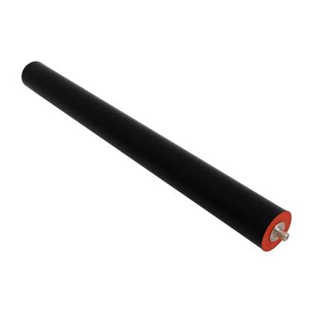
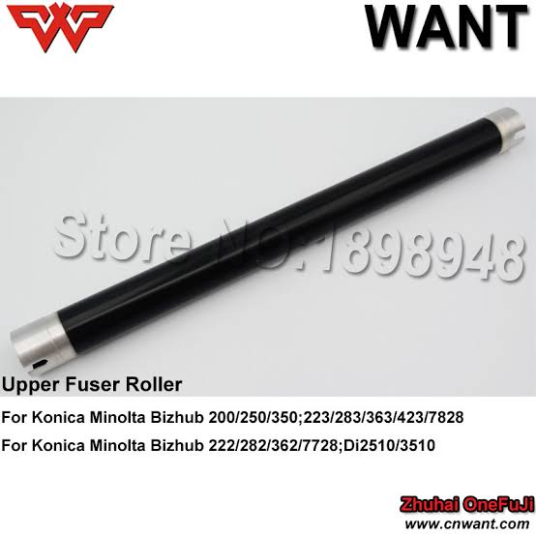
에어 선적 정리 | 1 | 복사기 기어 부품 ( 기어 등은 가벼우니 …전부 다 실으면 됨 )

 | 2 | OPC drum | 현수량 한개도 없음 - 3개 이상 선적
 |  | 블레이드 | 현수량 3개 있으니 - 2개 이상 선적
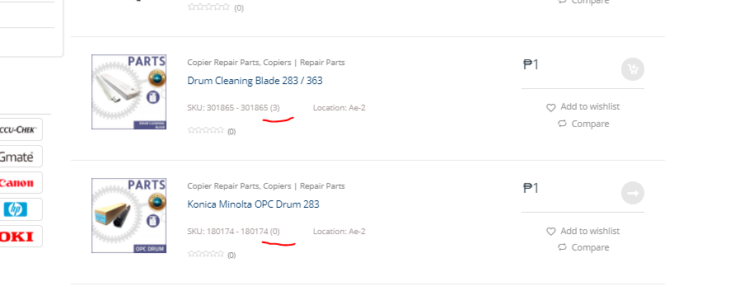

 | 3 | upper pressure roller - |  | 상단 하단 고무 롤러

Shipping Infromation
 | Lucky Shipping | Contact Person | Ms leila
 |  | Contact Number | 09178601876
 |  | Company AddressAddress
 |  | Charge | 1,400 Won/ 1kg
 |  | Delivery lead Time | 3 to 4 Weeks from Shipping
 |  | Note: | Always need to check weight before receiving Package
 |  | How to trace package ?
 |  |  | Check Location of Shipping by Shipping NO
 |  |  | If shippment is received then Fill up yellow to display Received like No1
 |  |  | After shipment follow up . Input ETA ( Estimated Time Arrival ) here at NO3

Date : Korea Office to Lucky Korea |  | Date : Received by Lucky korea Warehouse |  | Korea will input this value ( Shipping Date Information)

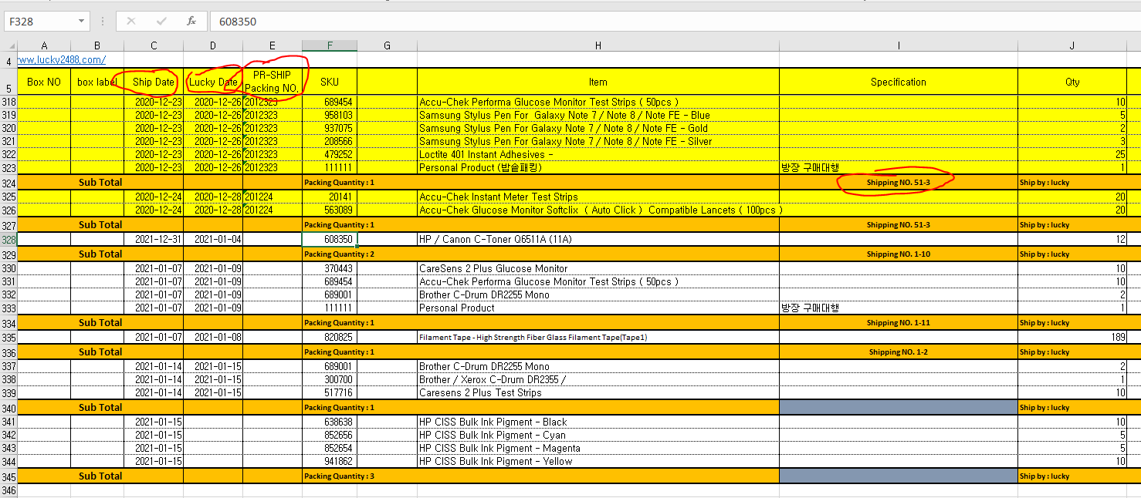

 |  |  | Packing No at PR-SHIP = Purchase Order No at POS

Purchase Process
 |  | Why? | Check Point
Step1 | Inventory Out - Selling Product | We sold this product | Always user SKU NO (ex : 689454)

Task1 | Check Sales Status at PR-Ship | If we have still remaining stock | Monthly,3month,6 Month Average Sales Qty
Task2 | Check Stock Status |  | On stock , Stock on the way , Requested Stock

Step2 | If you think stock is enough --> Exit transaction
 | If you think we need to purchase stock --> create Purchase Request

Task3 | Select Item --> Put Qty --> Put Memo ( IF needed )
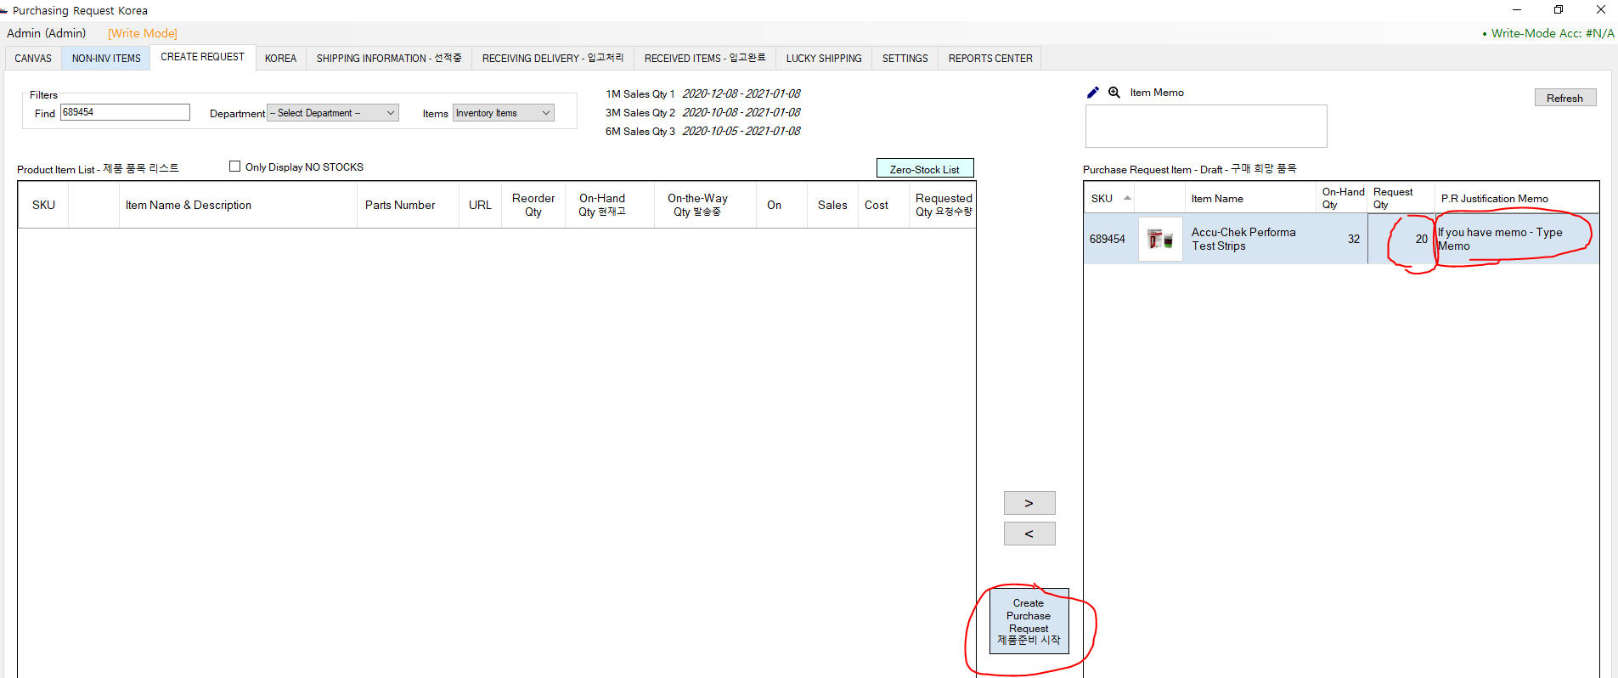

Step3 | Korea will process for the purchasing

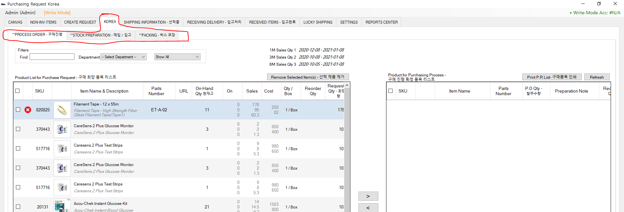

Step4 | Korea will update shipping details in xls

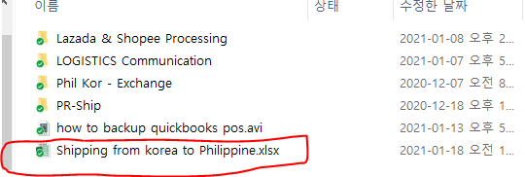

Step5 | Korea will update Shipping Information

 | Yellow background means that we received

 | White background means Shipped

